Quotation
Customer |  |  |  |  |  | Customer Country |  | Tanzania
Email |  |  |  |  |  | Moblie Number
Quote Date |  | 2026-10-24 |  |  |  | Valid until |  | 2026-11-24
Project Manager |  | Dodo Guan |  |  |  | Sales |  | Bella
Date of order |  |  |  |  |  | Date of deliver
Proforma invoice
No | Product Type | Item Number | Picture | Size(mm) | Description | Unit | Quantity | Unit Price (USD) | Amount (USD) | CBM (m³) | Weight (KG) | Remarks
1 | Stair handrail | Top rail | 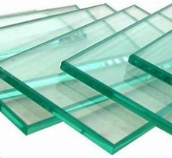 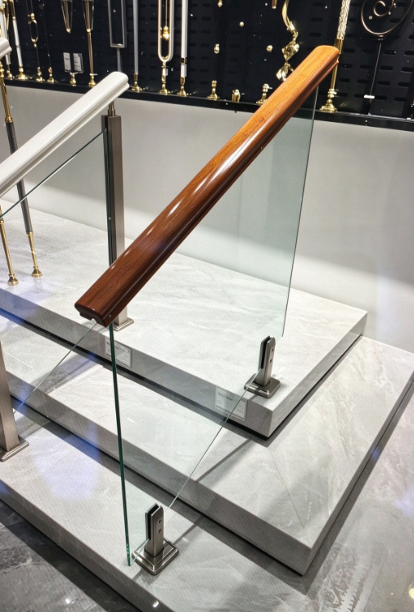 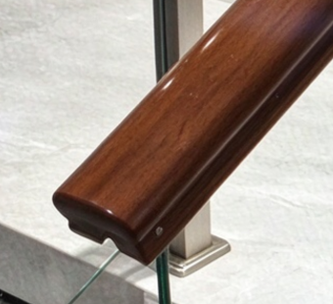 | 75*45 | Overall height:1000mm solid wood top rail, beech wood, 1pcs 4m + 12mm clear tempered glass + pool clip,SS304,brushed | m | 20 | $24.00 | $480.00 |  |  | 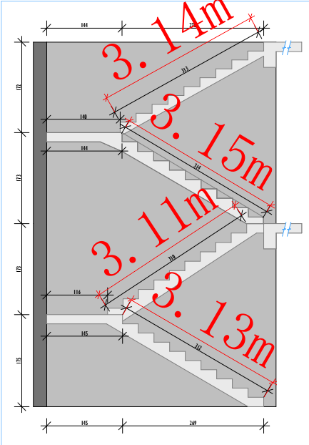 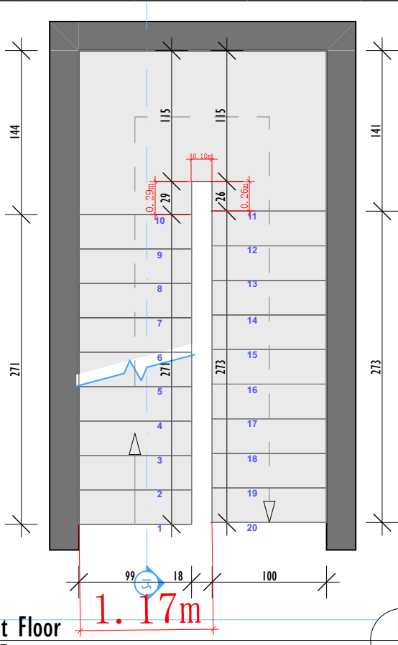 total length:16.5m
 |  | Glass |  | T=12 |  | m² | 23 | $44.00 | $1,012.00
 |  | Pool clip |  | H=200 |  | pcs | 34 | $23.00 | $782.00
 |  | expansion screw |  | 4 pcs 1 pool clip |  | pcs | 140 | $0.50 | $70.00
Total amount: |  |  |  |  |  |  |  |  | $2,344.00
  Deposit 50%: |  |  |  |  |  |  |  |  | $1,172.00
Balance: |  |  |  |  |  |  |  |  | $1,172.00
Notes.
1.Delivery Term: EXW
2.Payment terms: 50% deposit by T/T after confirming the P/I.The balance by T/T before loading.100% payment if enough stock.
3.Order lead time: about 30 days after receipt of deposit or payment. for those need drawing, counting after confirming drawing.
4.Packing: wooden box/carton
5.Goods are natural products so pattern ,colors and thicknss may be a little difference from the sample.

Sheet1
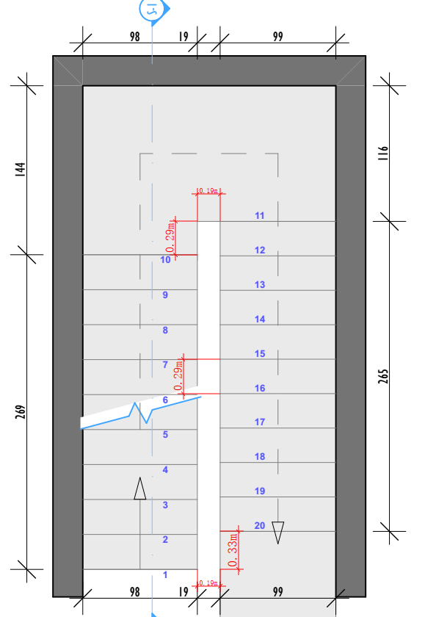

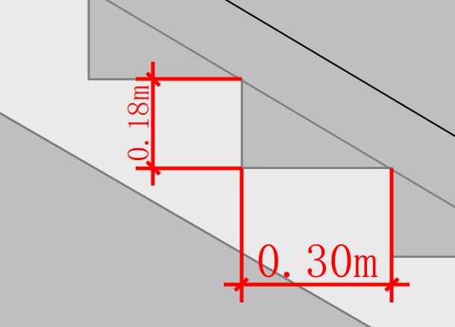

21 | 22

